Figure S1
LayneRT |  |  |  |  | Raw data from concentration as phosphate to capacity as P
pH3 | pH5 | pH7 | pH9 | pH11 | pH3 | Phosphate, mg/L | P capacity, mg/L | as P
4.32 | 4.30 | 5.27 | 3.73 | 0.41 | LT3 | 4.03 | 13.39 | 4.32 | 0.001 g
3.91 | 4.70 | 5.32 | 3.78 | 0.78 | LT3-1 | 4.88 | 12.11 | 3.91 | 1.5 ml
5.55 | 5.00 | 5.30 | 3.76 | 0.69 | LT3-2 | 1.49 | 17.19 | 5.55
 |  |  |  |  | C03 | 12.95 | 0.00

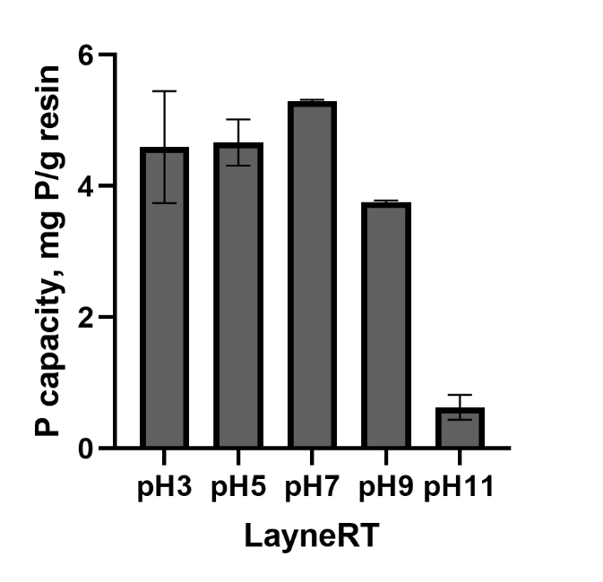
 |  |  |  |  | pH5 | Phosphate, mg/L | P capacity, mg/L | as P
 |  |  |  |  | LT5 | 3.43 | 13.31 | 4.30
 |  |  |  |  | LT5-1 | 2.61 | 14.54 | 4.70
 |  |  |  |  | LT5-2 | 1.98 | 15.49 | 5.00
 |  |  |  |  | C05 | 12.31 | 0.00

 |  |  |  |  | pH7 | Phosphate, mg/L | P capacity, mg/L | as P
 |  |  |  |  | LT7 | 1.98 | 16.32 | 5.27
 |  |  |  |  | LT7-1 | 1.88 | 16.46 | 5.32
 |  |  |  |  | LT7-2 | 1.92 | 16.41 | 5.30
 |  |  |  |  | C07 | 12.86 | 0.00

 |  |  |  |  | pH9 | Phosphate, mg/L | P capacity, mg/L | as P
 |  |  |  |  | LT9 | 1.11 | 11.56 | 3.73
 |  |  |  |  | LT9-1 | 1.02 | 11.71 | 3.78
 |  |  |  |  | LT9-2 | 1.05 | 11.66 | 3.76
 |  |  |  |  | C09 | 8.82 | 0.00

 |  |  |  |  | pH11 | Phosphate, mg/L | P capacity, mg/L | as P
 |  |  |  |  | LT11 | 2.23 | 1.28 | 0.41
 |  |  |  |  | LT11-1 | 1.47 | 2.41 | 0.78
 |  |  |  |  | LT11-2 | 1.66 | 2.13 | 0.69
 |  |  |  |  | C011 | 3.08 | 0.00

Figure S4
Anolyte pH
Time, min | 1 mA/cm2 |  | 5 mA/cm2
0 | 3.94 | 3.83 | 4.26 | 3.55
15 | 3.46 | 3.4 | 3.08 | 2.95
30 | 3.2 | 3.16 | 2.74 | 2.67
45 | 3.05 | 3.04 | 2.59 | 2.54
60 | 2.96 | 2.93 | 2.51 | 2.42
75 | 2.88 | 2.87 | 2.24 | 2.35
90 | 2.84 | 2.81 | 2.32 | 2.32
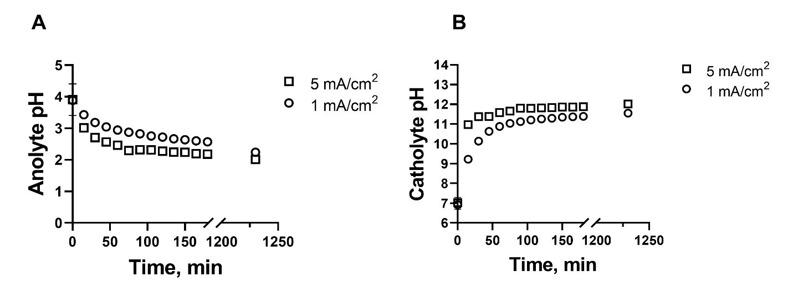
105 | 2.76 | 2.75 | 2.32 | 2.31
120 | 2.72 | 2.72 | 2.31 | 2.24
135 | 2.67 | 2.66 | 2.26 | 2.23
150 | 2.65 | 2.62 | 2.27 | 2.21
165 |  | 2.6 | 2.2 | 2.19
180 |  | 2.57 | 2.21 | 2.15
1230 | 2.27 | 2.21 | 1.98 | 2.04

Catholyte pH
Time, min | 1 mA/cm2 |  | 5 mA/cm2
0 | 7.09 | 6.75 | 7.21 | 6.83
15 | 9.26 | 9.19 | 11.1 | 10.86
30 | 10.21 | 10.06 | 11.45 | 11.31
45 | 10.7 | 10.56 | 11.28 | 11.49
60 | 10.9 | 10.86 | 11.68 | 11.48
75 | 11.04 | 11.04 | 11.61 | 11.71
90 | 11.13 | 11.12 | 11.84 | 11.77
105 | 11.2 | 11.22 | 11.82 | 11.78
120 | 11.25 | 11.27 | 11.82 | 11.82
135 | 11.32 | 11.27 | 11.83 | 11.84
150 | 11.33 | 11.36 | 11.85 | 11.88
165 |  | 11.37 | 11.87 | 11.86
180 |  | 11.39 | 11.87 | 11.89
1230 | 11.48 | 11.62 | 12.09 | 11.95

Figure S6
Final HOST 2nd capacity data after different regeneration |  |  |  |  |  |  | Raw data from concentration to capacity
Initial | Eff. | 0.01 MNaCl | 0.1M NaCl | Catho-Eff | Catho-0.01 MNaCl | Catho-0.1M NaCl | HOST | HPO4,ppm | as P, mg/L | Capacity, mg/g | 10 mg, 10 ml
5.50 | 5.37 | 5.01 | 4.89 | 3.73 | 2.15 | 3.40 | Eff | 274.47 | 88.63 | 5.37
4.66 | 5.86 | 5.43 | 5.26 | 4.15 | 3.00 | 3.49 | Eff | 272.95 | 88.14 | 5.86
4.79 |  |  |  |  |  |  | 0.01M | 275.59 | 88.99 | 5.01
 |  |  |  |  |  |  | 0.01M | 274.27 | 88.57 | 5.43
 |  |  |  |  |  |  | 0.1M | 275.95 | 89.11 | 4.89
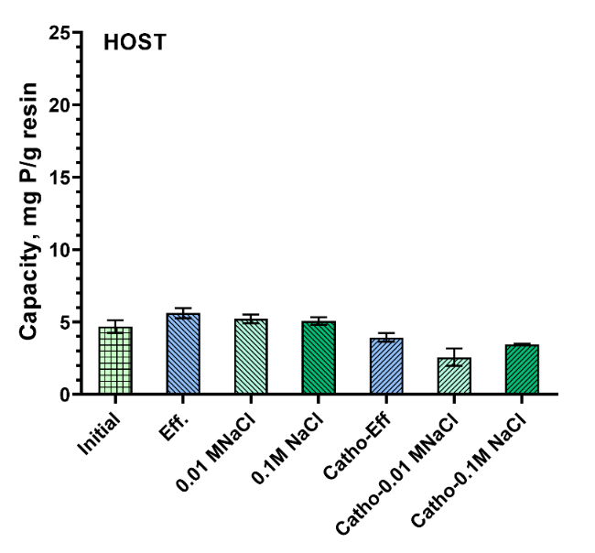
 |  |  |  |  |  |  | 0.1M | 274.82 | 88.74 | 5.26
 |  |  |  |  |  |  | Catho-eff | 279.55 | 90.27 | 3.73
 |  |  |  |  |  |  | Catho-eff | 278.25 | 89.85 | 4.15
 |  |  |  |  |  |  | Catho-0.01 M NaCl | 284.43 | 91.85 | 2.15
 |  |  |  |  |  |  | Catho-0.01 M NaCl | 281.81 | 91.00 | 3.00
 |  |  |  |  |  |  | Catho-0.1 M NaCl | 280.57 | 90.60 | 3.40
 |  |  |  |  |  |  | Catho-0.1 M NaCl | 280.29 | 90.51 | 3.49

 |  |  |  |  |  |  | Initial | 274.07 | 88.50 | 5.50
 |  |  |  |  |  |  | Initial | 276.68 | 89.34 | 4.66
 |  |  |  |  |  |  | Initial | 276.25 | 89.21 | 4.79

Figure S7
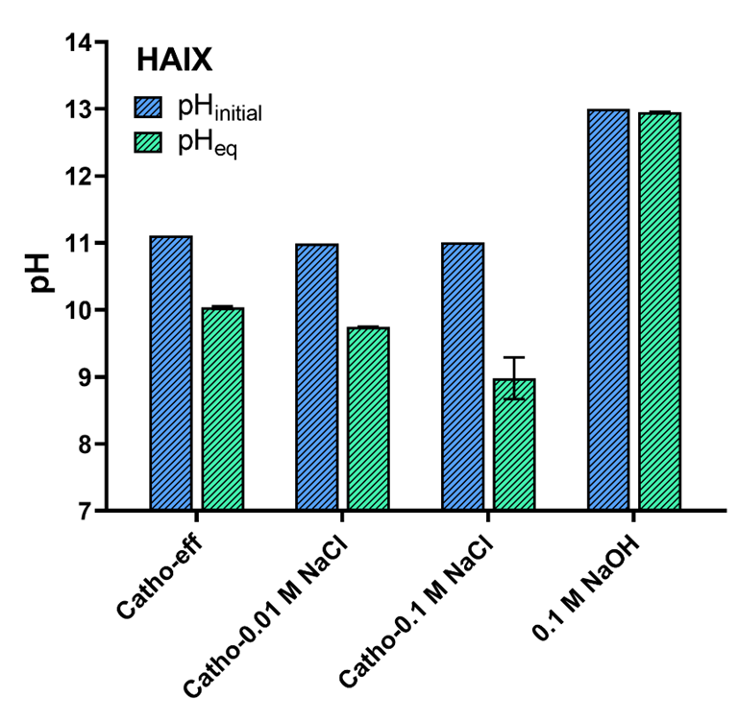
 | Phinitial |  | pHeq
Catho-eff | 11.11 | 11.11 | 10.05 | 10.02
Catho-0.01 M NaCl | 10.99 | 10.99 | 9.74 | 9.75
Catho-0.1 M NaCl | 11.01 | 11.01 | 9.2 | 8.76
0.01 M NaOH | 13 | 13 | 12.95 | 12.96

Figure S10
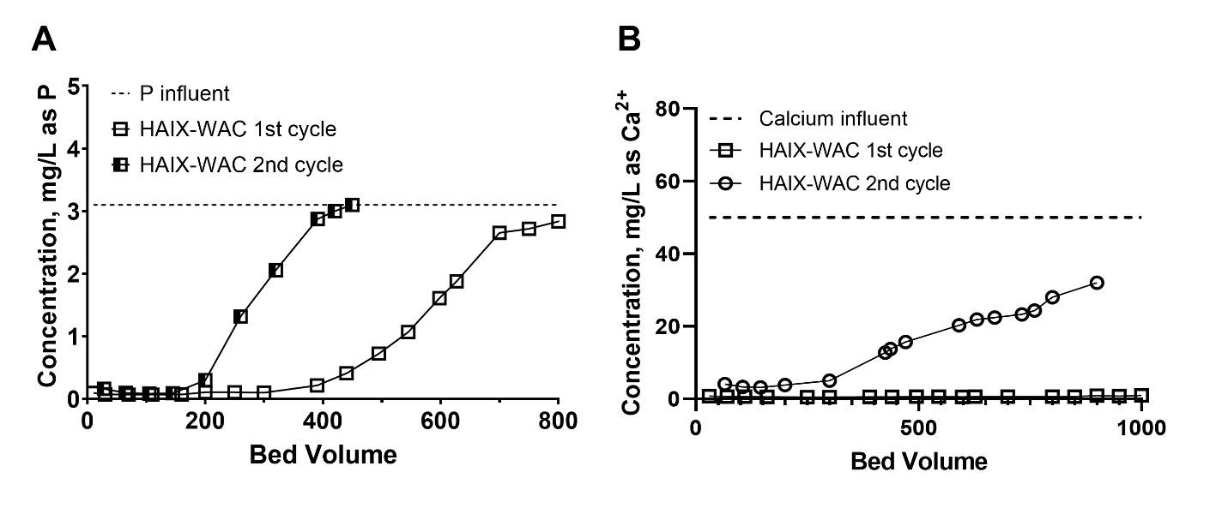
1st cycle P |  | 2nd cycle P |  | 1st cycle Ca |  |  | 2nd cycle Ca
Bed Volume | HAIX-WAC CT-3min | Bed Volume | HAIX-WAC 2nd cycle | Bed Volume | HAIX-WAC 1st cycle | Calcium influent | Bed Volume | HAIX-WAC 2nd cycle
10 | 0.095709 | 28 | 0.160569 | 30 | 0.786407 | 50 | 65 | 4.122691
30 | 0.074089 | 65 | 0.095709 | 70 | 0.601369 | 50 | 105 | 3.284414
70 | 0.068684 | 105 | 0.084899 | 110 | 0.618191 | 50 | 145 | 3.191896
110 | 0.068684 | 145 | 0.090304 | 160 | 0.564922 | 50 | 200 | 3.8
160 | 0.07 | 200 | 0.3 | 250 | 0.5 | 50 | 300 | 5
200 | 0.106519 | 260 | 1.317235 | 300 | 0.5 | 50 | 425 | 12.79142
250 | 0.106519 | 320 | 2.057717 | 390 | 0.534083 | 50 | 437 | 13.77268
300 | 0.101114 | 391 | 2.873869 | 440 | 0.536886 | 50 | 471 | 15.67072
390 | 0.214619 | 420 | 3 | 495 | 0.60978 | 50 | 591 | 20.29666
440 | 0.409198 | 450 | 3.1 | 545 | 0.654638 | 50 | 631 | 21.93116
495 | 0.722687 |  |  | 598 | 0.573333 | 50 | 671 | 22.44982
545 | 1.068606 |  |  | 627 | 0.657441 | 50 | 732 | 23.32455
598 | 1.609103 |  |  | 700 | 0.64 | 50 | 760 | 24.39272
627 | 1.879352 |  |  | 800 | 0.63 | 50 | 800 | 28
700 | 2.652264 |  |  | 850 | 0.651834 | 50 | 900 | 32
750 | 2.717124 |  |  | 900 | 0.884533 | 50
800 | 2.836034 |  |  | 950 | 0.766782 | 50
850 | 3.057638 |  |  | 1000 | 0.934998 | 50
900 | 3.187357
950 | 3.214382
1000 | 3.187357

Figure S11
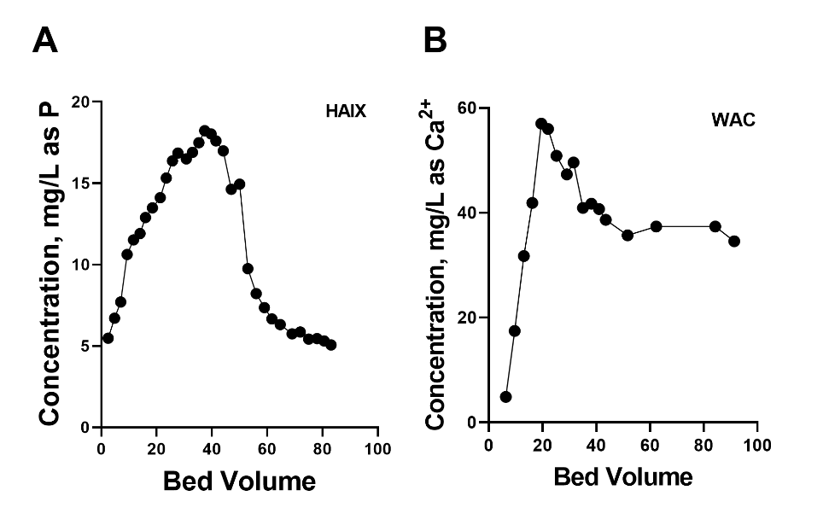
HAIX Reg |  | Ca Reg
Bed Volume | HAIX-WAC CT-3min | Bed Volume | HAIX-WAC CT-3min
2.5 | 5.473664 | 6.3 | 4.86424
4.8 | 6.705999 | 9.6 | 17.4524
7 | 7.700515 | 13 | 31.75076
9.3 | 10.62461 | 16.2 | 41.87176
11.6 | 11.51643 | 19.5 | 57.00559
14 | 11.91099 | 22 | 56.00751
16 | 12.88929 | 25.2 | 50.88814
18.5 | 13.48925 | 29 | 47.31635
21.3 | 14.11623 | 31.5 | 49.6153
23.5 | 15.31613 | 35 | 40.93536
25.7 | 16.3701 | 38.2 | 41.73719
27.7 | 16.85114 | 41 | 40.72228
30.7 | 16.49442 | 43.5 | 38.64762
33 | 16.89979 | 51.7 | 35.70384
35.3 | 17.49434 | 62.3 | 37.386
37.4 | 18.22941 | 84.3 | 37.386
39.7 | 18.02943 | 91.4 | 34.5824
41.5 | 17.60244
44.1 | 16.98086
47 | 14.6297
50 | 14.94319
53 | 9.749002
56 | 8.219393
59 | 7.349191
61.7 | 6.657354
64.7 | 6.31684
69 | 5.743913
72 | 5.857417
75 | 5.425019
78 | 5.457449
80.6 | 5.311514
83.1 | 5.05748

Figure S13
HAIX reg
Bed Volume | HAIX-WAC CT-3min
2.5 | 5.473664
4.8 | 6.705999
7 | 7.700515
9.3 | 10.62461
11.6 | 11.51643
14 | 11.91099
16 | 12.88929
18.5 | 13.48925
21.3 | 14.11623
23.5 | 15.31613
25.7 | 16.3701
27.7 | 16.85114
30.7 | 16.49442
33 | 16.89979
35.3 | 17.49434
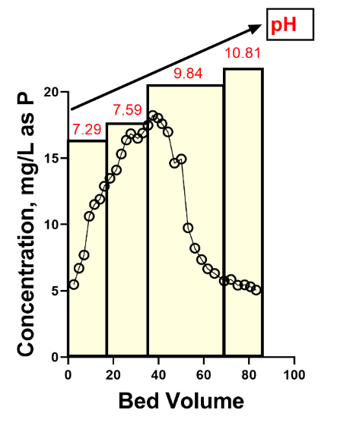
37.4 | 18.22941
39.7 | 18.02943
41.5 | 17.60244
44.1 | 16.98086
47 | 14.6297
50 | 14.94319
53 | 9.749002
56 | 8.219393
59 | 7.349191
61.7 | 6.657354
64.7 | 6.31684
69 | 5.743913
72 | 5.857417
75 | 5.425019
78 | 5.457449
80.6 | 5.311514
83.1 | 5.05748

Figure S14
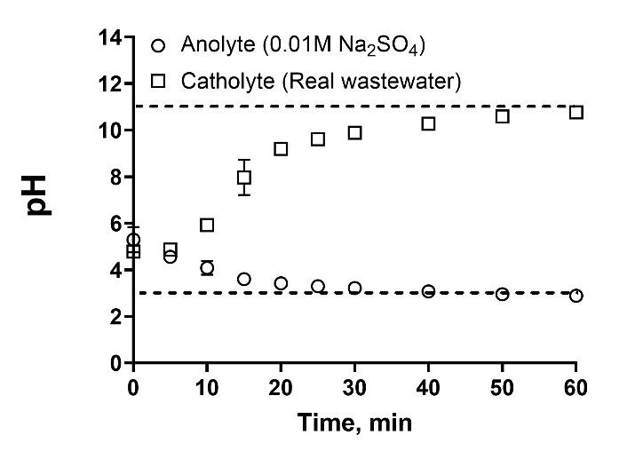
1 mA/cm2
Time, min | Anolyte (0.01M Na2SO4) |  |  | Catholyte (Real wastewater)
0 | 5.32 | 5.82 | 4.74 | 4.82 | 4.78 | 4.74
5 | 4.67 | 4.41 | 4.6 | 5.02 | 4.79 | 4.8
10 | 4.02 | 4.41 | 3.83 | 6.16 | 5.67 | 5.93
15 | 3.61 | 3.6 | 3.6 | 8.66 | 7.16 | 8.09
20 | 3.47 | 3.41 | 3.39 | 9.38 | 8.94 | 9.26
25 | 3.34 | 3.27 | 3.29 | 9.74 | 9.45 | 9.64
30 | 3.24 | 3.21 | 3.21 | 10.02 | 9.76 | 9.89
40 | 3.09 | 3.08 | 3.06 | 10.41 | 10.1 | 10.33
50 | 2.96 | 2.95 | 2.94 | 10.65 | 10.51 | 10.6
60 | 2.91 | 2.86 | 2.9 | 10.85 | 10.66 | 10.79

